digit 5 MNIST conv maxpool flat
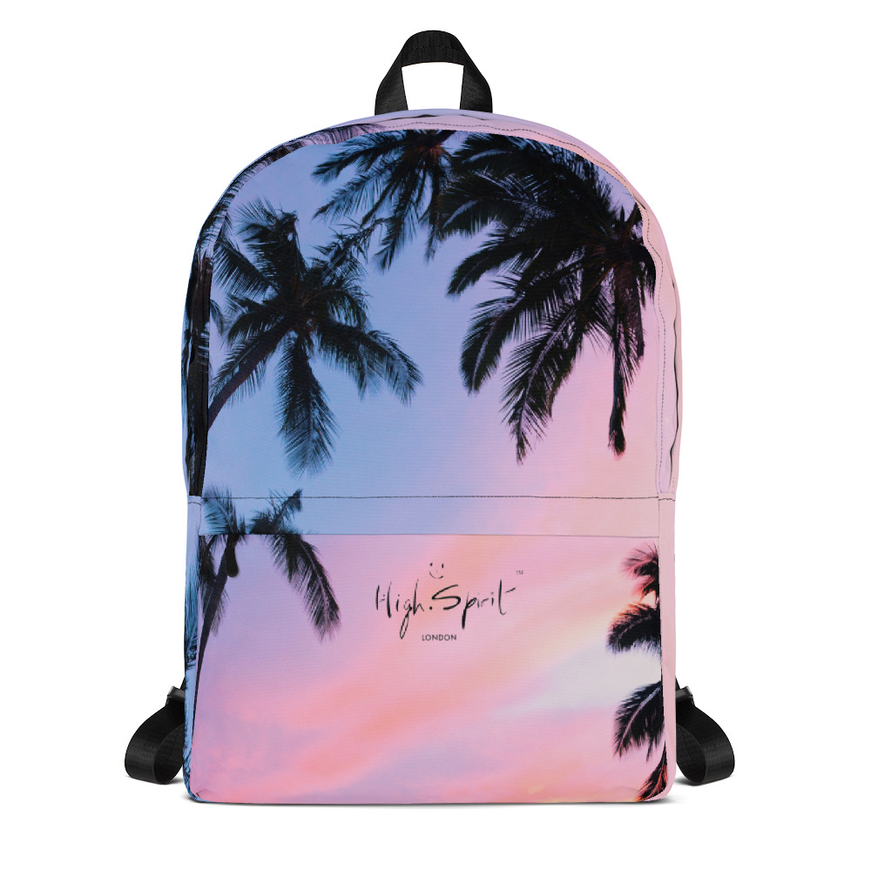
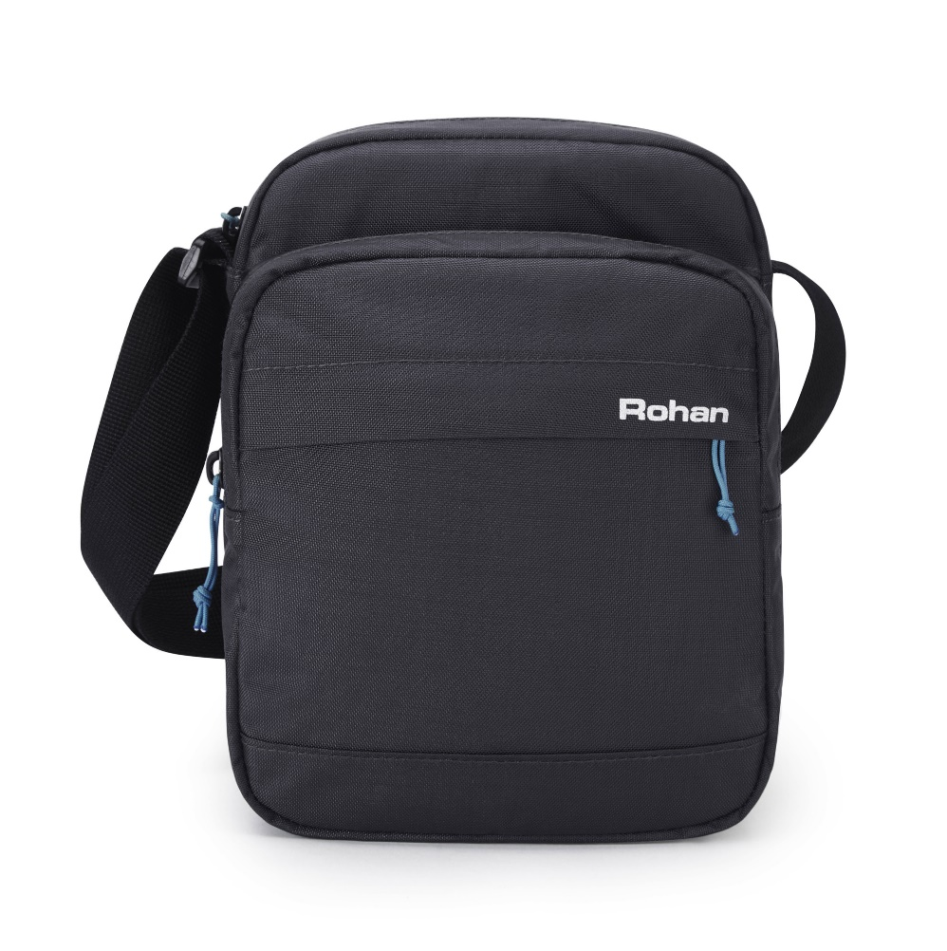
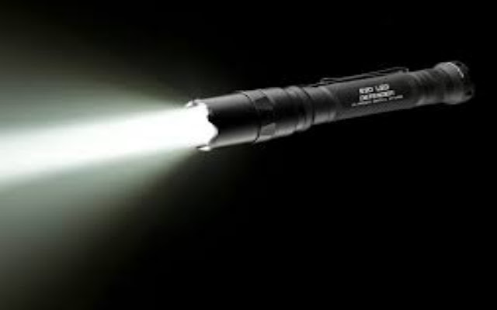
 | Input Image |  |  |  |  |  |  |  |  |  |  |  |  |  |  |  |  |  |  |  |  |  |  |  |  |  |  |  |  |  |  |  | Output Feature Map |  |  |  |  |  |  |  |  |  |  |  |  |  |  |  |  |  |  |  |  |  |  |  |  |  |  | Maxpooling |  |  |  |  |  |  |  |  |  |  |  |  |  |  |  |  | Output Feature map |  |  |  |  |  |  |  |  |  |  |  | Maxpooling |  |  |  |  |  |  |  | Output Feature Map |  |  |  |  |  | Flatten

64 #
 | 1 | 2 | 3 | 4 | 5 | 6 | 7 | 8 | 9 | 10 | 11 | 12 | 13 | 14 | 15 | 16 | 17 | 18 | 19 | 20 | 21 | 22 | 23 | 24 | 25 | 26 | 27 | 28 |  |  |  |  | 1 | 2 | 3 | 4 | 5 | 6 | 7 | 8 | 9 | 10 | 11 | 12 | 13 | 14 | 15 | 16 | 17 | 18 | 19 | 20 | 21 | 22 | 23 | 24 | 25 | 26 |  | 1 | 2 | 3 | 4 | 5 | 6 | 7 | 8 | 9 | 10 | 11 | 12 | 13 |  |  |  |  | 1 | 2 | 3 | 4 | 5 | 6 | 7 | 8 | 9 | 10 | 11 |  | 1 | 2 | 3 | 4 | 5 |  |  |  |  | 1 | 2 | 3 |  |  | -1938
1 | 0 | 0 | 0 | 0 | 0 | 0 | 0 | 0 | 0 | 0 | 0 | 0 | 0 | 0 | 0 | 0 | 0 | 0 | 0 | 0 | 0 | 0 | 0 | 0 | 0 | 0 | 0 | 0 |  |  |  | 1 | 0 | 0 | 0 | 0 | 0 | 0 | 0 | 0 | 0 | 0 | 0 | 0 | 0 | 0 | 0 | 0 | 0 | 0 | 0 | 0 | 0 | 0 | 0 | 0 | 0 | 0 | 1 | 0 | 0 | 0 | 0 | 0 | 0 | 0 | 0 | 0 | 0 | 0 | 0 | 0 | Kernel |  |  | 1 | 0 | 0 | -60 | -158 | -222 | -79 | -216 | 832 | 472 | 981 | 1946 | 1 | 0 | -60 | 563 | 1819 | 1832 | Kernel |  |  | 1 | -1938 | -4629 | 922 |  |  | -4629
2 | 0 | 0 | 0 | 0 | 0 | 0 | 0 | 0 | 0 | 0 | 0 | 0 | 0 | 0 | 0 | 0 | 0 | 0 | 0 | 0 | 0 | 0 | 0 | 0 | 0 | 0 | 0 | 0 |  |  |  | 2 | 0 | 0 | 0 | 0 | 0 | 0 | 0 | 0 | 0 | 0 | 0 | 0 | 0 | 0 | 0 | 0 | 0 | 0 | 0 | 0 | 0 | 0 | 0 | 0 | 0 | 0 | 2 | 0 | 0 | 0 | 0 | 0 | 0 | 0 | 0 | 110 | 9 | 128 | 247 | 0 |  |  |  | 2 | 0 | 0 | -1010 | -785 | -202 | 563 | 203 | 1819 | 1225 | 1832 | 2273 | 2 | 0 | -116 | 2822 | 2767 | 1818 |  |  |  | 2 | -878 | -1411 | -3704 |  |  | 922
3 | 0 | 0 | 0 | 0 | 0 | 0 | 0 | 0 | 0 | 0 | 0 | 0 | 0 | 0 | 0 | 0 | 0 | 0 | 0 | 0 | 0 | 0 | 0 | 0 | 0 | 0 | 0 | 0 | Kernel |  |  | 3 | 0 | 0 | 0 | 0 | 0 | 0 | 0 | 0 | 0 | 0 | 0 | 0 | 0 | 0 | 0 | 0 | 0 | 0 | 0 | 0 | 0 | 0 | 0 | 0 | 0 | 0 | 3 | 0 | 0 | 0 | -30 | -64 | -79 | 0 | -108 | 360 | -8 | 362 | 481 | 0 | 0 | 1 | 2 | 3 | 0 | -60 | -1268 | -985 | 137 | 2030 | 1497 | 2183 | 1727 | 1818 | 1183 | 3 | 0 | 196 | 1994 | 2510 | 2383 | -1 | 1 | 0 | 3 | -2072 | -2131 | -1914 |  |  | -878
3 by 3, 64
4 | 0 | 0 | 0 | 0 | 0 | 0 | 0 | 0 | 0 | 0 | 0 | 0 | 0 | 0 | 0 | 0 | 0 | 0 | 0 | 0 | 0 | 0 | 0 | 0 | 0 | 0 | 0 | 0 |  |  |  | 4 | 0 | 0 | 0 | 0 | 0 | 0 | 0 | 0 | 0 | 0 | -3 | -18 | -15 | 0 | -108 | -118 | -49 | 110 | 9 | -229 | -81 | 128 | 247 | 127 | 0 | 0 | 4 | 0 | 0 | 0 | -475 | -76 | 48 | 297 | -49 | 564 | 26 | 234 | 234 | 0 | 1 | 2 | 0 | 4 | 0 | -950 | -787 | -116 | 380 | 2822 | 2767 | 1781 | 997 | 702 | 234 | 4 | 0 | 0 | 566 | 2551 | 3699 | 1 | -1 | 0 |  |  |  |  |  |  | -1411
5 | 0 | 0 | 0 | 0 | 0 | 0 | 0 | 0 | 0 | 0 | 0 | 0 | 0 | 0 | 0 | 0 | 0 | 0 | 0 | 0 | 0 | 0 | 0 | 0 | 0 | 0 | 0 | 0 | 1 | 0 | -1 | 5 | 0 | 0 | 0 | 0 | 0 | 0 | -30 | -36 | -64 | -118 | -79 | -117 | -98 | 0 | -108 | -118 | -21 | 191 | -19 | -299 | -23 | 306 | 442 | 191 | 0 | 0 | 5 | 0 | 0 | 0 | -80 | -28 | 112 | 746 | -30 | 395 | 0 | 0 | 0 | 0 | 1 | 2 | 0 | 5 | 0 | -160 | -136 | 196 | 1076 | 1994 | 2510 | 1971 | 897 | 175 | 0 | 5 | 0 | -207 | 2268 | 3156 | 2713 | 1 | 0 | -1 |  |  |  |  |  |  | -3704
5 by 5, 64
6 | 0 | 0 | 0 | 0 | 0 | 0 | 0 | 0 | 0 | 0 | 0 | 0 | 3 | 18 | 18 | 18 | 126 | 136 | 175 | 26 | 166 | 255 | 247 | 127 | 0 | 0 | 0 | 0 | 1 | 0 | -1 | 6 | 0 | 0 | 0 | 0 | 0 | -49 | -268 | -240 | -79 | -118 | -79 | -117 | -98 | 0 | -108 | -116 | 139 | 360 | -8 | -273 | 20 | 362 | 481 | 191 | 0 | 0 | 6 | 0 | 0 | 0 | 0 | 0 | -229 | 624 | 189 | 108 | 0 | 0 | 0 | 0 |  |  |  | 6 | 0 | 0 | 0 | -458 | 949 | 1201 | 770 | 1930 | 2383 | 895 | 64 |  |  |  |  |  |  |  |  |  |  |  |  |  |  |  | -2072
7 | 0 | 0 | 0 | 0 | 0 | 0 | 0 | 0 | 30 | 36 | 94 | 154 | 170 | 253 | 253 | 253 | 253 | 253 | 225 | 172 | 253 | 242 | 195 | 64 | 0 | 0 | 0 | 0 | 1 | 0 | -1 | 7 | 0 | 0 | 0 | 0 | 0 | -67 | -487 | -475 | -113 | -118 | -76 | -99 | -28 | 71 | -49 | -57 | 435 | 491 | -17 | -44 | 101 | 234 | 234 | 64 | 0 | 0 | 7 | 0 | 0 | 0 | 0 | 0 | -35 | 162 | 293 | 439 | 175 | 0 | 0 | 0 |  |  |  | 7 | 0 | 0 | 0 | -70 | 289 | 566 | 420 | 1513 | 3272 | 1545 | 130 |  |  |  |  |  |  |  |  |  |  |  |  |  |  |  | -2131
8 | 0 | 0 | 0 | 0 | 0 | 0 | 0 | 49 | 238 | 253 | 253 | 253 | 253 | 253 | 253 | 253 | 253 | 251 | 93 | 82 | 82 | 56 | 39 | 0 | 0 | 0 | 0 | 0 |  |  |  | 8 | 0 | 0 | 0 | 0 | 0 | -67 | -537 | -595 | -76 | -97 | -146 | 48 | 297 | 276 | -81 | -211 | 450 | 564 | 11 | 26 | 43 | 56 | 39 | 0 | 0 | 0 | 8 | 0 | 0 | 0 | 0 | 0 | 0 | -45 | -169 | 410 | 592 | 64 | 0 | 0 |  |  |  | 8 | 0 | 0 | 0 | -48 | -586 | -811 | 729 | 2551 | 3699 | 1472 | 68 |  |  |  |  |  |  |  |  |  |  |  |  |  |  |  | -1914 | 9 | 9*64= 576
9 | 0 | 0 | 0 | 0 | 0 | 0 | 0 | 18 | 219 | 253 | 253 | 253 | 253 | 253 | 198 | 182 | 247 | 241 | 0 | 0 | 0 | 0 | 0 | 0 | 0 | 0 | 0 | 0 |  |  |  | 9 | 0 | 0 | 0 | 0 | 0 | -18 | -299 | -405 | -62 | -237 | -398 | 112 | 550 | 366 | -81 | -213 | 290 | 395 | 0 | 0 | 0 | 0 | 0 | 0 | 0 | 0 | 9 | 0 | 0 | 0 | 0 | 0 | 0 | -46 | -161 | 117 | 693 | 66 | 0 | 0 |  |  |  | 9 | 0 | -36 | -314 | -552 | -184 | 199 | 1339 | 3156 | 2713 | 727 | 2
10 | 0 | 0 | 0 | 0 | 0 | 0 | 0 | 0 | 80 | 156 | 107 | 253 | 253 | 205 | 11 | 0 | 43 | 154 | 0 | 0 | 0 | 0 | 0 | 0 | 0 | 0 | 0 | 0 |  |  |  | 10 | 0 | 0 | 0 | 0 | 0 | 0 | -80 | -170 | -28 | -376 | -651 | 61 | 746 | 485 | -30 | -154 | 43 | 154 | 0 | 0 | 0 | 0 | 0 | 0 | 0 | 0 | 10 | 0 | 0 | 0 | 0 | -24 | -236 | -50 | 248 | 318 | 579 | 2 | 0 | 0 |  |  |  | 10 | -382 | -389 | -207 | -626 | 810 | 2268 | 2170 | 2325 | 995 | 80 | 0
11 | 0 | 0 | 0 | 0 | 0 | 0 | 0 | 0 | 0 | 14 | 1 | 154 | 253 | 90 | 0 | 0 | 0 | 0 | 0 | 0 | 0 | 0 | 0 | 0 | 0 | 0 | 0 | 0 |  |  |  | 11 | 0 | 0 | 0 | 0 | 0 | 0 | 0 | -14 | -1 | -290 | -695 | -229 | 624 | 533 | 72 | 0 | 0 | 0 | 0 | 0 | 0 | 0 | 0 | 0 | 0 | 0 | 11 | 0 | 0 | -18 | -148 | -178 | 291 | 306 | 257 | 256 | 78 | 0 | 0 | 0 |  |  |  | 11 | -418 | -667 | -113 | 1134 | 2028 | 1871 | 1235 | 492 | 78 | 0 | 0
11 by 11, 64
12 | 0 | 0 | 0 | 0 | 0 | 0 | 0 | 0 | 0 | 0 | 0 | 139 | 253 | 190 | 2 | 0 | 0 | 0 | 0 | 0 | 0 | 0 | 0 | 0 | 0 | 0 | 0 | 0 |  |  |  | 12 | 0 | 0 | 0 | 0 | 0 | 0 | 0 | 0 | 0 | -150 | -478 | -534 | 181 | 524 | 189 | 159 | 108 | 1 | 0 | 0 | 0 | 0 | 0 | 0 | 0 | 0 | 12 | 0 | -191 | -81 | 118 | 128 | 307 | 306 | 80 | 0 | 0 | 0 | 0 | 0
13 | 0 | 0 | 0 | 0 | 0 | 0 | 0 | 0 | 0 | 0 | 0 | 11 | 190 | 253 | 70 | 0 | 0 | 0 | 0 | 0 | 0 | 0 | 0 | 0 | 0 | 0 | 0 | 0 |  |  |  | 13 | 0 | 0 | 0 | 0 | 0 | 0 | 0 | 0 | 0 | -11 | -225 | -564 | -310 | 162 | 174 | 293 | 336 | 120 | 25 | 0 | 0 | 0 | 0 | 0 | 0 | 0 | 13 | 0 | 0 | 0 | 118 | 119 | 132 | 0 | 0 | 0 | 0 | 0 | 0 | 0
14 | 0 | 0 | 0 | 0 | 0 | 0 | 0 | 0 | 0 | 0 | 0 | 0 | 35 | 241 | 225 | 160 | 108 | 1 | 0 | 0 | 0 | 0 | 0 | 0 | 0 | 0 | 0 | 0 |  |  |  | 14 | 0 | 0 | 0 | 0 | 0 | 0 | 0 | 0 | 0 | 0 | -35 | -322 | -475 | -277 | -104 | 226 | 439 | 346 | 175 | 27 | 0 | 0 | 0 | 0 | 0 | 0
13 by 13, 32
15 | 0 | 0 | 0 | 0 | 0 | 0 | 0 | 0 | 0 | 0 | 0 | 0 | 0 | 81 | 240 | 253 | 253 | 119 | 25 | 0 | 0 | 0 | 0 | 0 | 0 | 0 | 0 | 0 |  |  |  | 15 | 0 | 0 | 0 | 0 | 0 | 0 | 0 | 0 | 0 | 0 | 0 | -81 | -285 | -374 | -314 | -169 | 171 | 410 | 428 | 214 | 0 | 0 | 0 | 0 | 0 | 0 |  |  |  |  |  |  |  |  |  |  |  |  |  | 32 feature maps
16 | 0 | 0 | 0 | 0 | 0 | 0 | 0 | 0 | 0 | 0 | 0 | 0 | 0 | 0 | 45 | 186 | 253 | 253 | 150 | 27 | 0 | 0 | 0 | 0 | 0 | 0 | 0 | 0 |  |  |  | 16 | 0 | 0 | 0 | 0 | 0 | 0 | 0 | 0 | 0 | 0 | 0 | 0 | -45 | -202 | -301 | -552 | -310 | 291 | 592 | 463 | 64 | 0 | 0 | 0 | 0 | 0
17 | 0 | 0 | 0 | 0 | 0 | 0 | 0 | 0 | 0 | 0 | 0 | 0 | 0 | 0 | 0 | 16 | 93 | 252 | 253 | 187 | 0 | 0 | 0 | 0 | 0 | 0 | 0 | 0 |  |  |  | 17 | 0 | 0 | 0 | 0 | 0 | 0 | 0 | 0 | 0 | 0 | 0 | 0 | -46 | -146 | -230 | -608 | -483 | 111 | 693 | 643 | 66 | 0 | 0 | 0 | 0 | 0
18 | 0 | 0 | 0 | 0 | 0 | 0 | 0 | 0 | 0 | 0 | 0 | 0 | 0 | 0 | 0 | 0 | 0 | 249 | 253 | 249 | 64 | 0 | 0 | 0 | 0 | 0 | 0 | 0 |  |  |  | 18 | 0 | 0 | 0 | 0 | 0 | 0 | 0 | 0 | 0 | 0 | -39 | -148 | -236 | -235 | -161 | -372 | -320 | 117 | 690 | 638 | 66 | 0 | 0 | 0 | 0 | 0
19 | 0 | 0 | 0 | 0 | 0 | 0 | 0 | 0 | 0 | 0 | 0 | 0 | 0 | 0 | 46 | 130 | 183 | 253 | 253 | 207 | 2 | 0 | 0 | 0 | 0 | 0 | 0 | 0 |  |  |  | 19 | 0 | 0 | 0 | 0 | 0 | 0 | 0 | 0 | -24 | -114 | -236 | -287 | -268 | -235 | -161 | -71 | 108 | 318 | 579 | 389 | 2 | 0 | 0 | 0 | 0 | 0
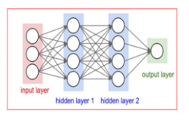
20 | 0 | 0 | 0 | 0 | 0 | 0 | 0 | 0 | 0 | 0 | 0 | 0 | 39 | 148 | 229 | 253 | 253 | 253 | 250 | 182 | 0 | 0 | 0 | 0 | 0 | 0 | 0 | 0 |  |  |  | 20 | 0 | 0 | 0 | 0 | 0 | 0 | -23 | -66 | -214 | -301 | -276 | -287 | -222 | -50 | 148 | 248 | 259 | 274 | 328 | 182 | 0 | 0 | 0 | 0 | 0 | 0 |  |  |  |  |  |  |  |  |  |  |  |  |  |  |  |  |  |  | each feature map [there are 32 per image] |  |  |  |  |  |  |  |  |  |  |  |  |  |  |  |  |  |  |  |  |  |  |  |  |  | 576
21 | 0 | 0 | 0 | 0 | 0 | 0 | 0 | 0 | 0 | 0 | 24 | 114 | 221 | 253 | 253 | 253 | 253 | 201 | 78 | 0 | 0 | 0 | 0 | 0 | 0 | 0 | 0 | 0 |  |  |  | 21 | 0 | 0 | 0 | 0 | -18 | -171 | -224 | -148 | -248 | -301 | -237 | -81 | 141 | 241 | 252 | 257 | 256 | 203 | 78 | 0 | 0 | 0 | 0 | 0 | 0 | 0 |  |  |  |  |  |  |  |  |  |  |  |  |  |  |  |  |  |  | will be convoluted 64 times |  |  |  |  |  |  |  |  |  |  |  |  |  |  | there will be 64 Feature Maps/image
22 | 0 | 0 | 0 | 0 | 0 | 0 | 0 | 0 | 23 | 66 | 213 | 253 | 253 | 253 | 253 | 198 | 81 | 2 | 0 | 0 | 0 | 0 | 0 | 0 | 0 | 0 | 0 | 0 |  |  |  | 22 | 0 | 0 | -55 | -172 | -189 | -252 | -251 | -148 | -224 | -178 | 80 | 291 | 306 | 252 | 252 | 205 | 81 | 2 | 0 | 0 | 0 | 0 | 0 | 0 | 0 | 0 |  |  |  |  |  |  |  |  |  |  |  |  |  |  |  |  |  |  |  |  |  |  |  |  |  |  |  |  |  |  |  |  |  | we are seeing only one
23 | 0 | 0 | 0 | 0 | 0 | 0 | 18 | 171 | 219 | 253 | 253 | 253 | 253 | 195 | 80 | 9 | 0 | 0 | 0 | 0 | 0 | 0 | 0 | 0 | 0 | 0 | 0 | 0 |  |  |  | 23 | 0 | 0 | -191 | -425 | -306 | -252 | -187 | 36 | 46 | 128 | 252 | 307 | 306 | 197 | 80 | 9 | 0 | 0 | 0 | 0 | 0 | 0 | 0 | 0 | 0 | 0 |  |  |  | there will be 32 Feature Maps through maxpooling
24 | 0 | 0 | 0 | 0 | 55 | 172 | 226 | 253 | 253 | 253 | 253 | 244 | 133 | 11 | 0 | 0 | 0 | 0 | 0 | 0 | 0 | 0 | 0 | 0 | 0 | 0 | 0 | 0 |  |  |  | 24 | 0 | 0 | -191 | -425 | -288 | -81 | 14 | 118 | 80 | 128 | 252 | 249 | 133 | 11 | 0 | 0 | 0 | 0 | 0 | 0 | 0 | 0 | 0 | 0 | 0 | 0
25 | 0 | 0 | 0 | 0 | 136 | 253 | 253 | 253 | 212 | 135 | 132 | 16 | 0 | 0 | 0 | 0 | 0 | 0 | 0 | 0 | 0 | 0 | 0 | 0 | 0 | 0 | 0 | 0 |  |  |  | 25 | 0 | 0 | -136 | -253 | -117 | 0 | 41 | 118 | 80 | 119 | 132 | 16 | 0 | 0 | 0 | 0 | 0 | 0 | 0 | 0 | 0 | 0 | 0 | 0 | 0 | 0
26 | 0 | 0 | 0 | 0 | 0 | 0 | 0 | 0 | 0 | 0 | 0 | 0 | 0 | 0 | 0 | 0 | 0 | 0 | 0 | 0 | 0 | 0 | 0 | 0 | 0 | 0 | 0 | 0 |  |  |  | 26 | 0 | 0 | 0 | 0 | 0 | 0 | 0 | 0 | 0 | 0 | 0 | 0 | 0 | 0 | 0 | 0 | 0 | 0 | 0 | 0 | 0 | 0 | 0 | 0 | 0 | 0
Input data matrix
nparray
60,000
27 | 0 | 0 | 0 | 0 | 0 | 0 | 0 | 0 | 0 | 0 | 0 | 0 | 0 | 0 | 0 | 0 | 0 | 0 | 0 | 0 | 0 | 0 | 0 | 0 | 0 | 0 | 0 | 0 |  |  |  |  |  |  |  |  |  |  |  |  |  |  |  |  |  |  |  |  |  |  |  |  |  |  |  |  |  |  |  |  |  |  |  |  |  |  |  |  |  |  |  |  |  |  |  |  |  |  | 32
26 by 26, 32
Each Image --> 32 cov layers
28 | 0 | 0 | 0 | 0 | 0 | 0 | 0 | 0 | 0 | 0 | 0 | 0 | 0 | 0 | 0 | 0 | 0 | 0 | 0 | 0 | 0 | 0 | 0 | 0 | 0 | 0 | 0 | 0 |  |  |  |  |  |  |  |  |  |  |  |  |  |  |  |  |  |  |  |  |  |  | there will be 32 Feature Maps
28 by 28, 1

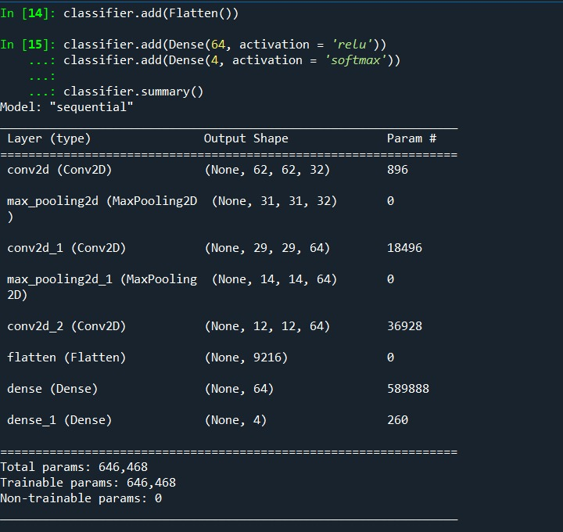
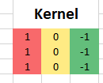
Data in numbers !
 |  |  |  |  |  |  |  |  |  |  |  |  |  |  |  |  |  |  |  |  |  |  |  |  |  |  |  |  |  |  |  |  |  |  |  |  |  |  |  |  |  |  |  |  |  |  |  |  |  |  |  |  |  |  |  |  |  |  |  |  |  |  |  |  |  |  |  |  |  |  |  |  |  |  |  |  |  |  |  |  |  |  |  |  |  |  |  |  |  |  |  |  |  |  |  |  |  |  |  | column1 | column2 | column3 |  | column n
 |  |  |  |  |  |  |  |  |  |  |  |  |  |  |  |  |  |  |  |  |  |  |  |  |  |  |  |  |  |  |  |  |  |  |  |  |  |  |  |  |  |  |  |  |  |  |  |  |  |  |  |  |  |  |  |  |  |  |  |  |  |  |  |  |  |  |  |  |  |  |  |  |  |  |  |  |  |  |  |  |  |  |  |  |  |  |  |  |  |  |  |  |  |  |  |  |  |  | img1
 |  |  |  |  |  |  |  |  |  |  |  |  |  |  |  |  |  |  |  |  |  |  |  |  |  |  |  |  |  |  |  |  |  |  |  |  |  |  |  |  |  |  |  |  |  |  |  |  |  |  |  |  |  |  |  |  |  |  |  |  |  |  |  |  |  |  |  |  |  |  |  |  |  |  |  |  |  |  |  |  |  |  |  |  |  |  |  |  |  |  |  |  |  |  |  |  |  |  | img2
 |  |  |  |  |  |  |  |  |  |  |  |  |  |  |  |  |  |  |  |  |  |  |  |  |  |  |  |  |  |  |  |  |  |  |  |  |  |  |  |  |  |  |  |  |  |  |  |  |  |  |  |  |  |  |  |  |  |  |  |  |  |  |  |  |  |  |  |  |  |  |  |  |  |  |  |  |  |  |  |  |  |  |  |  |  |  |  |  |  |  |  |  |  |  |  |  |  |  | img3

 |  |  |  |  |  |  |  |  |  |  |  |  |  |  |  |  |  |  |  |  |  |  |  |  |  |  |  |  |  |  |  |  |  |  |  |  |  |  |  |  |  |  |  |  |  |  |  |  |  |  |  |  |  |  |  |  |  |  |  |  |  |  |  |  |  |  |  |  |  |  |  |  |  |  |  |  |  |  |  |  |  |  |  |  |  |  |  |  |  |  |  |  |  |  |  |  |  |  | imgn

2ndconvmath
 | Input: 4by4, 5 layers |  |  |  | kernels: size 3by3
 | *assuming after maxpool |  |  |  | 4 nos kernels
 |  |  |  |  | (each kernel having 5 layers
 |  |  |  |  | as shown below for 1st kernel)
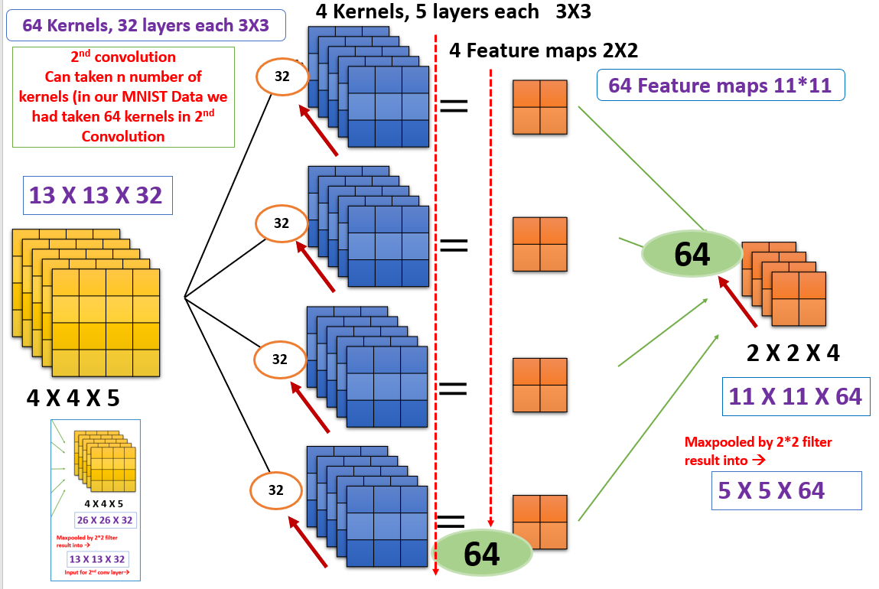
 | 7 | 1 | 9 | 6
 | 4 | 10 | 6 | 3 | 0.65 | 0.00 | 0.12
 | 5 | 7 | 6 | 9 | 0.97 | 0.69 | 0.35 | 129.57 | 114.78
similarly, this will be the output from 4th kernel of size 3*3
 | 3 | 3 | 2 | 4 | 0.48 | 0.09 | 0.25 | 129.89 | 111.94
 | 1st layer of input |  |  |  | 1st layer
 | 4 | 7 | 3 | 4
 | 9 | 8 | 4 | 1 | 0.38 | 0.02 | 0.97
similarly, this will be the output from 3rd kernel of size 3*3
 | 5 | 10 | 3 | 9 | 0.25 | 0.74 | 0.22
1st kernel with 5 layers
 | 7 | 1 | 8 | 2 | 0.65 | 0.22 | 0.20
 | 2nd layer of input |  |  |  | 2nd layer
similarly, this will be the output from 2nd kernel of size 3*3
 | 9 | 3 | 3 | 3
 | 8 | 9 | 4 | 4 | 0.59 | 0.98 | 0.76
 | 9 | 7 | 4 | 1 | 0.47 | 0.73 | 0.62
calculation is shown
 | 5 | 3 | 7 | 9 | 0.23 | 0.35 | 0.50
 | 3rd layer of input |  |  |  | 3rd layer
 | 5 | 2 | 4 | 2
 | 6 | 4 | 9 | 6 | 0.59 | 0.16 | 0.56
 | 1 | 3 | 10 | 5 | 0.46 | 0.88 | 0.77 |  | 2048
 | 1 | 5 | 8 | 2 | 0.99 | 0.62 | 0.52
 | 4th layer of input |  |  |  | 4th layer
 | 4 | 10 | 9 | 5
 | 10 | 2 | 7 | 7 | 0.52 | 0.19 | 0.52
 | 10 | 2 | 6 | 5 | 0.86 | 0.77 | 0.25
 | 6 | 1 | 5 | 2 | 0.78 | 0.19 | 0.24
5th layer of input |  |  |  |  | 5th layer
 |  |  |  |  | Here we are seeing only 1st kernel with 5 layers!

Sheet2
Original Image
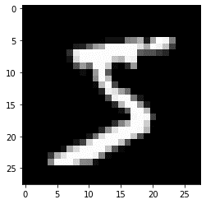

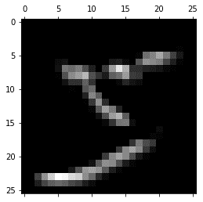
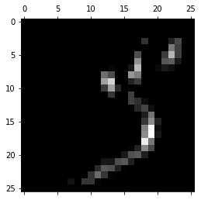
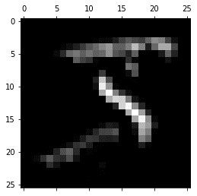

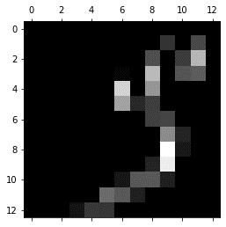
Conv 1, 0 | Conv 1, 15 | Conv 1, 31
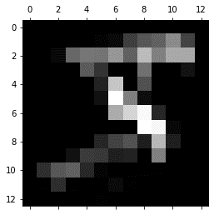
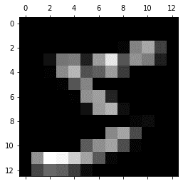

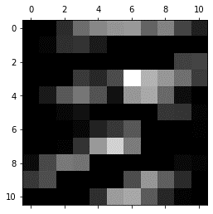
Maxpool 1,0 | Maxpool 1,15 | Maxpool 1,31
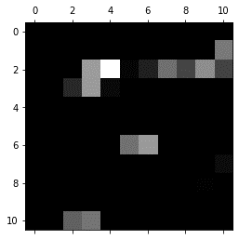
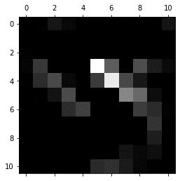
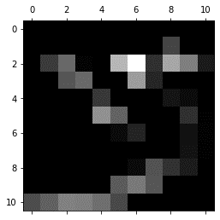
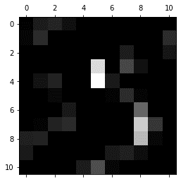
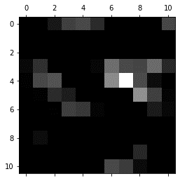

Conv 2, 0 | Conv 2, 15 | Conv 2, 31 | Conv 2, 42 | Conv 2, 52 | Conv 2, 63
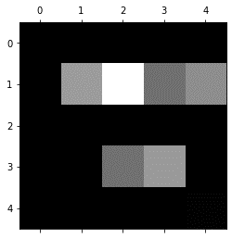
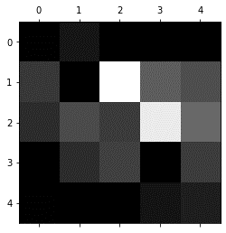
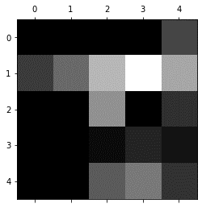
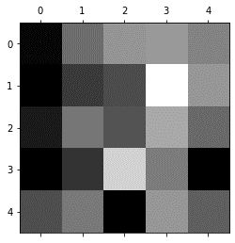
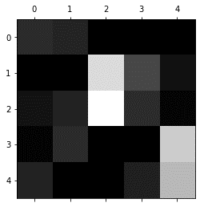
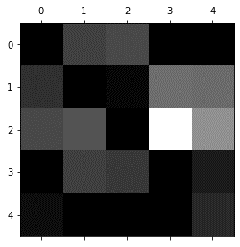

Maxpool 2, 0 | Maxpool 2, 15 | Maxpool 2, 31 | Maxpool 2, 42 | Maxpool 2, 52 | Maxpool 2, 63
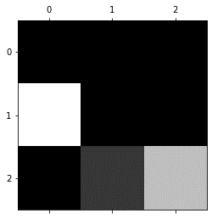
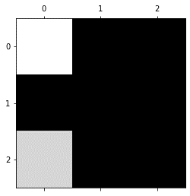

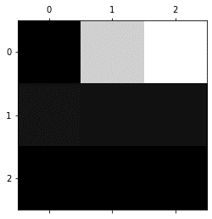
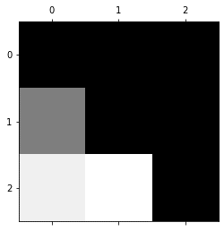

Conv 3, 0 | Conv 3, 15 | Conv 3, 31 | Conv 3, 42 | Conv 3, 52 | Conv 3, 63

